Sheet1
 |  | Document No. | Issue No. | Issue Date |  | Review and Replace Date |  | Authorised By
 |  | GFF048MC | 2 | 28.09.2018 |  | 11.09.2020
 |  | Document Title | Chicken Saag Masala 350g
 |  |  |  |  |  |  |  | Magda Shah
Document amendments reason for change |  | tray has been chenged to evolve | Page 1 of 1 |  | Previous Issue Date |  | 28.09.2018 | Uncontrolled copy unless signed original

CCSAG-R4TEB | BOOTHS |  | CHICKEN SAAG MASALA 350g
STEP 1 |  |  |  |  | STEP 2
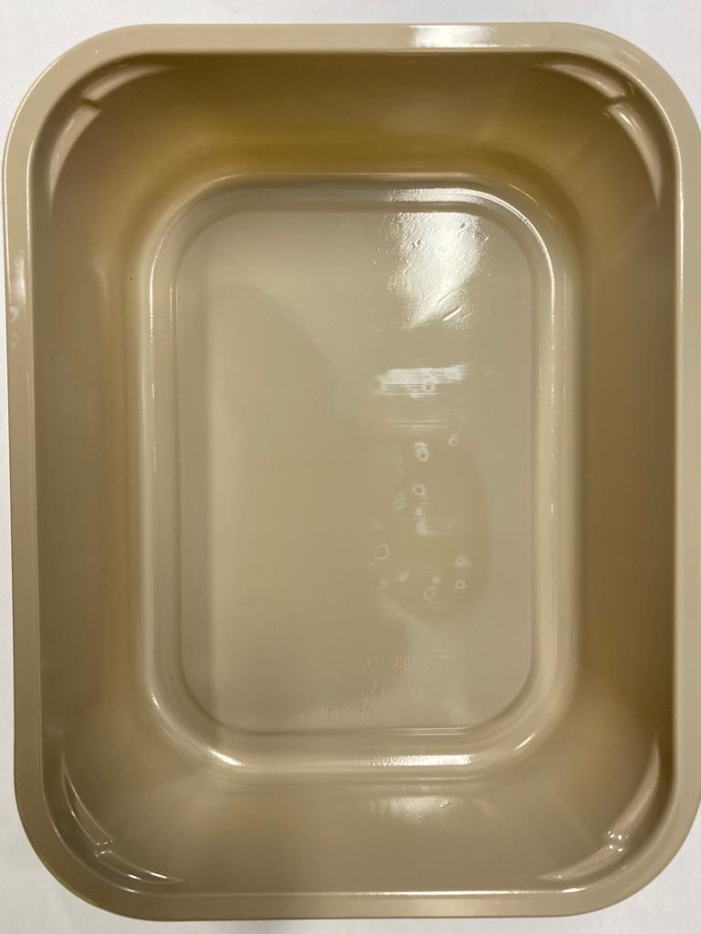 |  |  |  |  | 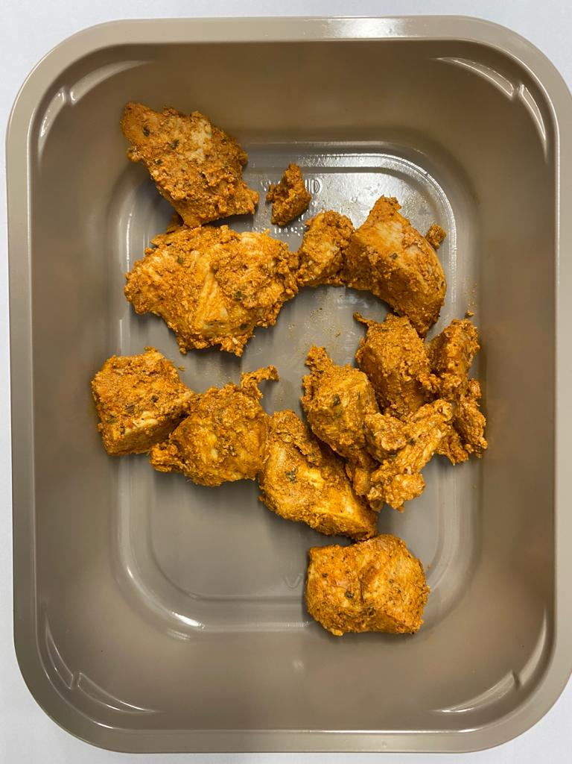

Tray: EVOLVE CPET 2200-1D (PKRHP001-09) |  |  |  |  | British Chicken Tikka (GFF142R): 115g (8-11 pieces)
Line 1: Mylar 250LAF 250mm x 1000 (PKWRA001-08)
Line 1: K-Peel 75G + AF 25 250mm (PKKMP001-01)
Line 2: Mylar 25OLAF - 380mm wide (PKWRA001-02)
STEP 3
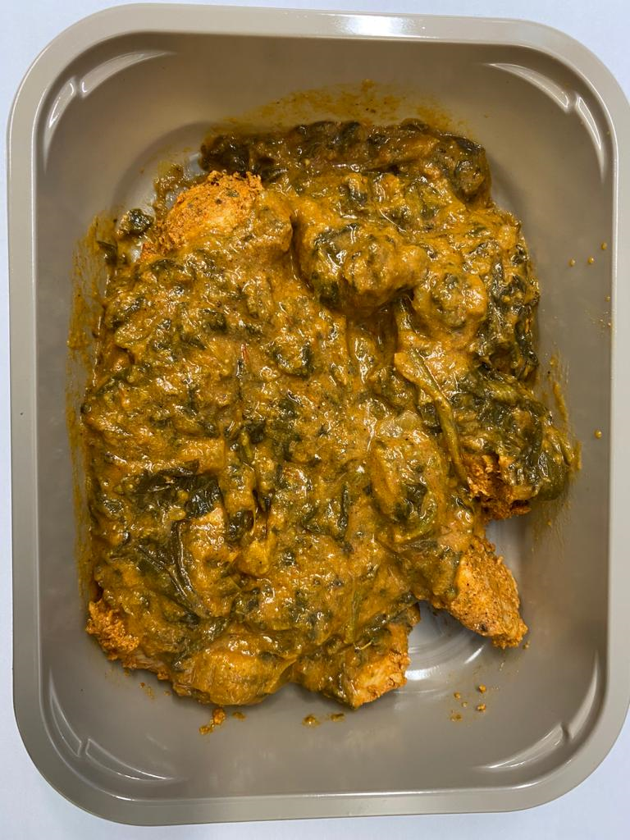

Saag Masala Sauce (GFF139R): 235g |  |  |  |  | TOTAL WEIGHT: 350g

ALLERGY ALERT: BARLEY, MILK

